Avg per HH
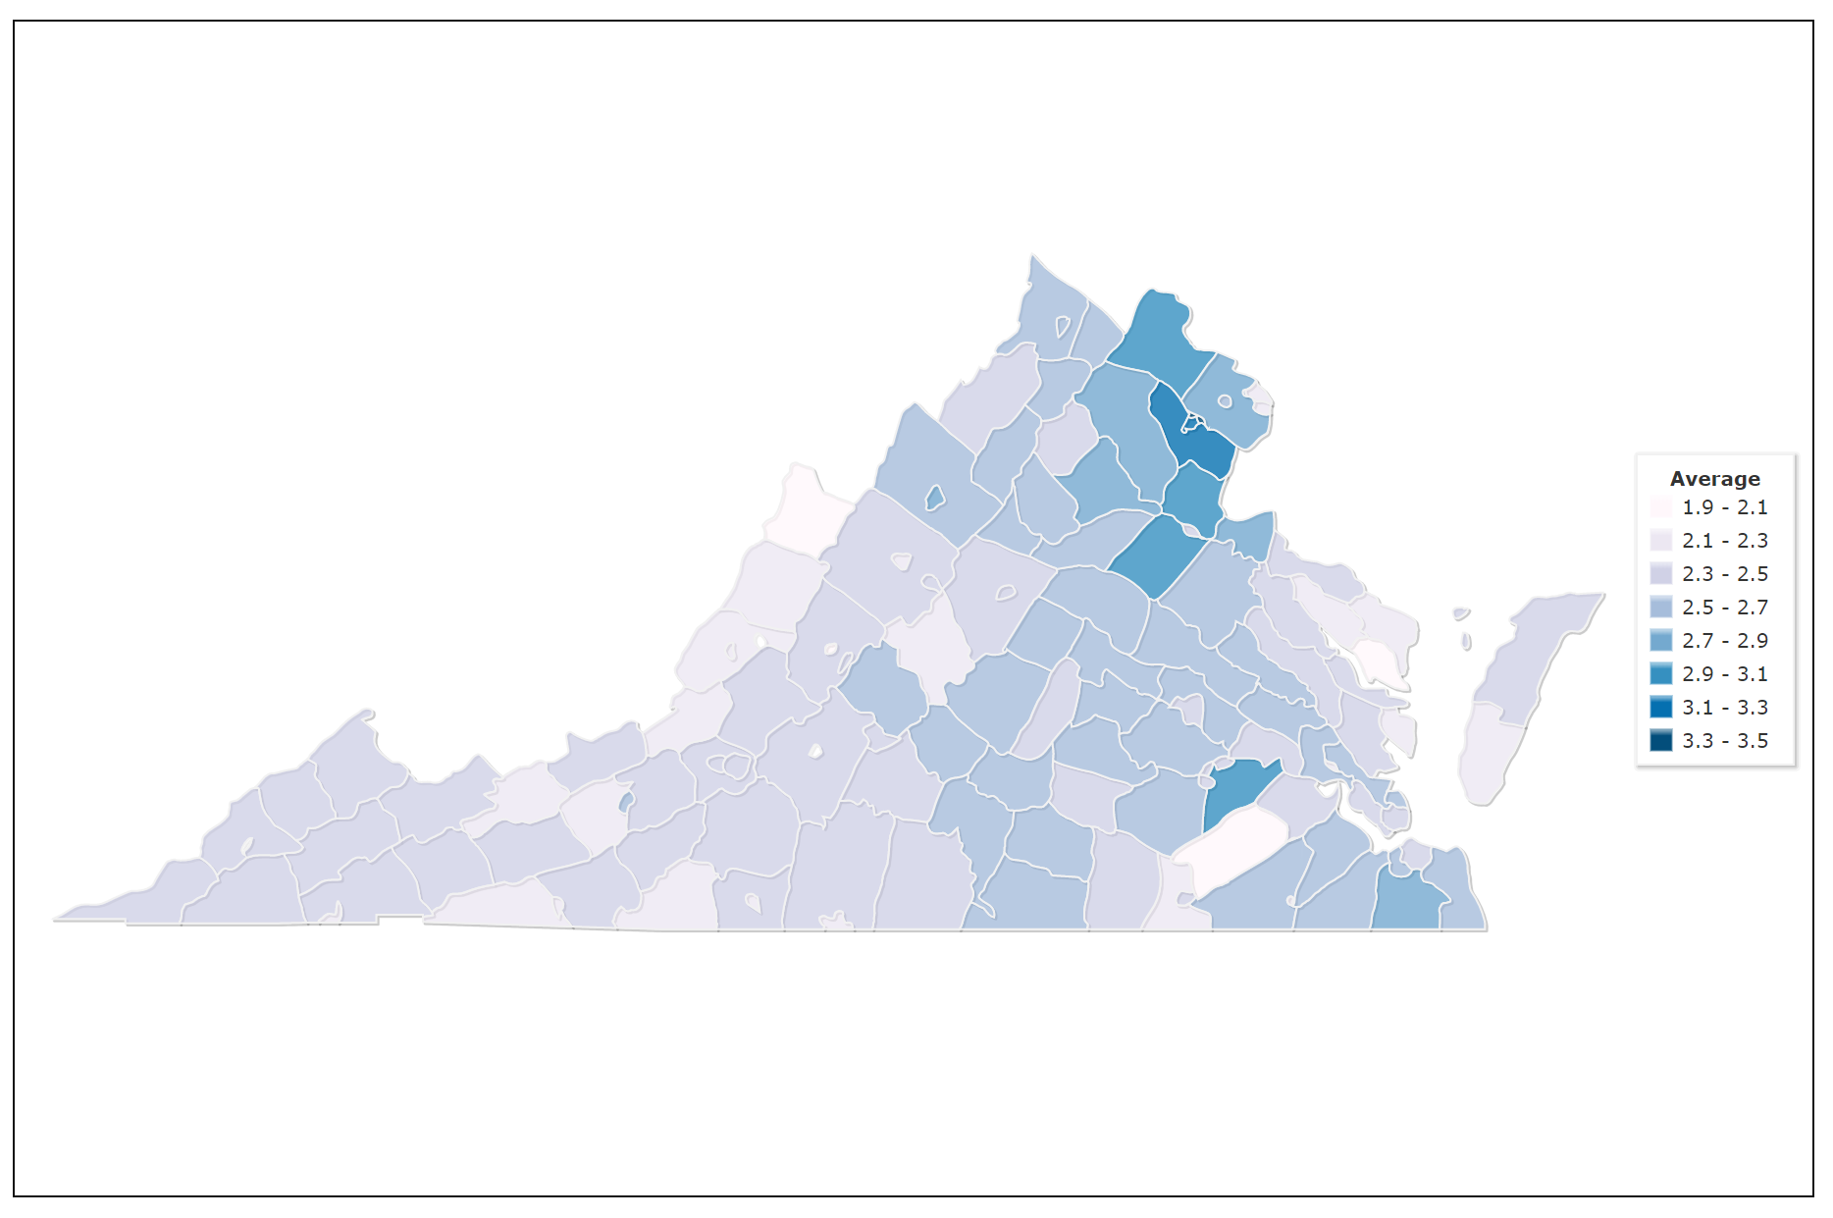
Average Persons per Household 2017-2021
County | Value
Accomack | 2.29
Albemarle | 2.40
Alexandria city | 2.11
Alleghany | 2.33
Amelia | 2.53
Amherst | 2.42
Appomattox | 2.58
Arlington | 2.12
Augusta | 2.44
Bath | 2.22
Bedford | 2.44
Bland | 2.35
Botetourt | 2.54
Bristol city | 2.28
Brunswick | 2.29
Buchanan | 2.66
Buckingham | 2.59
Buena Vista city | 2.37
Campbell | 2.48
Caroline | 2.62
Carroll | 2.39
Charles City | 2.33
Charlotte | 2.49
Charlottesville city | 2.28
Chesapeake city | 2.71
Chesterfield | 2.71
Clarke | 2.55
Colonial Heights city | 2.41 | https://www.indexmundi.com/facts/united-states/quick-facts/virginia/average-household-size#map
Covington city | 2.21
Craig | 2.53
Culpeper | 2.86
Cumberland | 2.42
Danville city | 2.21
Dickenson | 2.47
Dinwiddie | 2.64
Emporia city | 2.49
Essex | 2.44
Fairfax | 2.79
Fairfax city | 2.58
Falls Church city | 2.57
Fauquier | 2.83
Floyd | 2.31
Fluvanna | 2.59
Franklin | 2.43
Franklin city | 2.34
Frederick | 2.71
Fredericksburg city | 2.29
Galax city | 2.29
Giles | 2.44
Gloucester | 2.58
Goochland | 2.46
Grayson | 2.36
Greene | 2.69
Greensville | 2.64
Halifax | 2.48
Hampton city | 2.32
Hanover | 2.67
Harrisonburg | 2.63
Henrico | 2.49
Henry | 2.45
Highland | 2.26
Hopewell city | 2.46
Isle of Wight | 2.53
James City | 2.58
King and Queen | 2.39
King George | 2.79
King William | 2.62
Lancaster | 2.07
Lee | 2.55
Lexington city | 2.15
Loudoun | 3.03
Louisa | 2.61
Lunenburg | 2.57
Lynchburg city | 2.38
Madison | 2.62
Manassas city | 3.14
Manassas Park city | 3.31
Martinsville city | 2.31
Mathews | 2.37
Mecklenburg | 2.33
Middlesex | 2.26
Montgomery | 2.52
Nelson | 2.39
New Kent | 2.63
Newport News city | 2.36
Norfolk city | 2.29
Northampton | 2.26
Northumberland | 2.33
Nottoway | 2.53
Orange | 2.54
Page | 2.52
Patrick | 2.23
Petersburg city | 2.26
Pittsylvania | 2.42
Poquoson city | 2.67
Portsmouth city | 2.43
Powhatan | 2.60
Prince Edward | 2.33
Prince George | 3.00
Prince William | 3.14
Pulaski | 2.25
Radford city | 2.40
Rappahannock | 2.66
Richmond | 2.57
Richmond city | 2.19
Roanoke | 2.41
Roanoke city | 2.29
Rockbridge | 2.48
Rockingham | 2.61
Russell | 2.46
Salem city | 2.29
Scott | 2.42
Shenandoah | 2.50
Smyth | 2.33
Southampton | 2.50
Spotsylvania | 2.88
Stafford | 3.04
Staunton city | 2.16
Suffolk city | 2.63
Surry | 2.41
Sussex | 2.57
Tazewell | 2.48
Virginia Beach city | 2.53
Warren | 2.64
Washington | 2.39
Waynesboro city | 2.33
Westmoreland | 2.31
Williamsburg city | 2.24
Winchester city | 2.47
Wise | 2.40
Wythe | 2.32
York | 2.68

Value for Virginia (Average): | 2.57

Sources: U.S. Census Bureau, American Community Survey (ACS) and Puerto Rico Community Survey (PRCS), 5-Year Estimates. The PRCS is part of the Census Bureau's ACS, customized for Puerto Rico. Both Surveys are updated every year.

Updated 09/21/2023 by TA.

