BLS Equipment
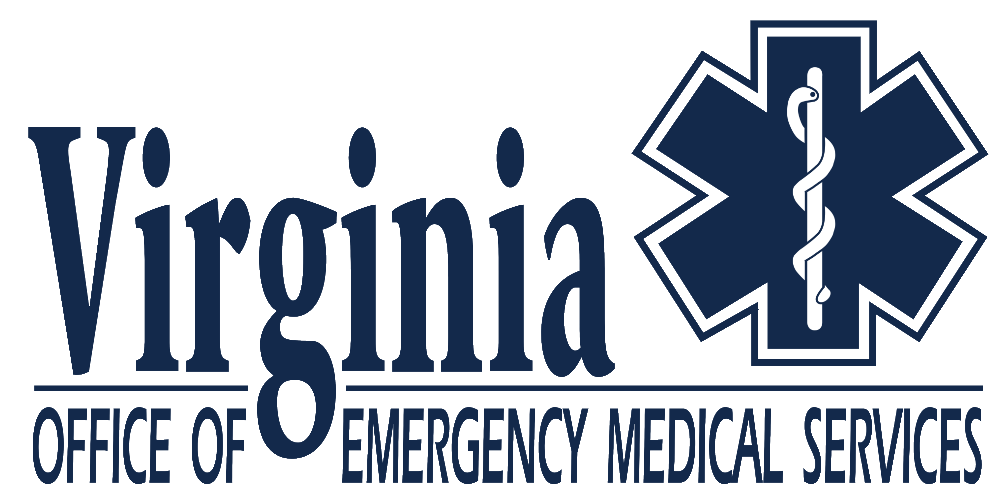
 | BLS Equipment Calculator
 |  |  |  |  |  |  | Last Updated: may 2024

 | Suggested equipment required for BLS training programs based on student enrollment.

 | How many students are you enrolling? |  | 0

 | REQUIRED EQUIPMENT |  |  |  |  | REQUIRED EQUIPMENT
 | Equipment | Number Required | In Inventory | Needed | Column1 | Equipment | Number Required | In Inventory | Needed
 | BSI Package | 6 | 0 | 0 |  | NG/OG Tube | 1 | 0 | 0
 | Stretcher | 1 | 0 | 0 |  | Oxygen Humidifier | 1 | 0 | 0
 | Ambulance * |  | 0 | 0 |  | Infant Airway Manikin *** | 1 | 0 | 0
 | Skeleton | 1 | 0 | 0 |  | Child Airway Manikin *** | 1 | 0 | 0
 | Torso Model * | 1 | 0 | 0 |  | Adult Airway Manikin *** | 1 | 0 | 0
 | Pen Lights | 3 | 0 | 0 |  | Infant BVM | 1 | 0 | 0
 | BP Cuff Adult | 3 | 0 | 0 |  | Child BVM | 1 | 0 | 0
 | BP Cuff Child | 1 | 0 | 0 |  | Adult BVM | 1 | 0 | 0
 | Stethoscope Adult | 3 | 0 | 0 |  | 2 way Communication Device | 1 | 0 | 0
 | Stethoscope Child | 1 | 0 | 0 |  | Nitroglycerin props | 1 | 0 | 0
 | Teaching Stethoscope | 1 | 0 | 0 |  | Epi-pens Trainers | 1 | 0 | 0
 | Stair Chair | 1 | 0 | 0 |  | MDI Trainers | 1 | 0 | 0
 | Long Spine Board | 1 | 0 | 0 |  | AED Trainers | 1 | 0 | 0
 | Suction Equipment (device, tubing, soft/hard tip) | 1 | 0 | 0 |  | 12-lead ECG Pad Sets | 1 | 0 | 0
 | M to M Barrier Device (PM) | 6 | 0 | 0 |  | CPR Manikins (Adult/Child/Infant) *** | 6 | 0 | 0
 | FROP Ventilation Device | 1 | 0 | 0 |  | Oral Glucose | 1 | 0 | 0
 | Noninvasive Positive Pressure Vent | 1 | 0 | 0 |  | Glucometer | 1 | 0 | 0
 | Oral Airway set | 1 | 0 | 0 |  | OB Manikins | 1 | 0 | 0
 | Nasopharyngeal set | 1 | 0 | 0 |  | OB Kits ^ | 1 | 0 | 0
 | Supraglottic Airway | 1 | 0 | 0 |  | Roller Gauze, Dressings, Cravats, Tape, Ice packs ^ | -- | 0 | 0
 | Intubation Confirmation Device | 1 | 0 | 0 |  | Commercial Tourniquets | -- | 0 | 0
 | O2 tank + Regulators | 1 | 0 | 0 |  | Occlusive Dressings | 1 | 0 | 0
 | Adult Partial Rebreather | 1 | 0 | 0 |  | Set of Padded Splints | 1 | 0 | 0
 | Pediatric Partial Rebreather | 1 | 0 | 0 |  | Hare Traction Splints ** | 1 | 0 | 0
 | Adult Non-Rebreather | 1 | 0 | 0 |  | Sager/Kendrick Traction Device (KTD) ** | 1 | 0 | 0
 | Pediatric Non-Rebreather | 1 | 0 | 0 |  | Blankets, pillows, gloves, etc…^ | -- | 0 | 0
 | Nasal Cannula | 1 | 0 | 0 |  | PASG | -- | 0 | 0
 | Venturi Mask | 1 | 0 | 0 |  | Spider Strap Set | 1 | 0 | 0
 | Adult Simple Mask | 1 | 0 | 0 |  | CID set | 1 | 0 | 0
 | Pediatric Simple Mask | 1 | 0 | 0 |  | Cervical Collar Set | 1 | 0 | 0
 | Trach Mask | 1 | 0 | 0 |  | Short Spinal Immobilization | 1 | 0 | 0
 | Face Tent | 1 | 0 | 0 |  | Triage Tag Sets (copies may be obtained from OEMS) | 1 | 0 | 0
 | Capnography Equipment | 1 | 0 | 0 |  | Tongue Blades | 1 | 0 | 0
 | Pulse Oximetry | 1 | 0 | 0 |  | Jump Bag | 1 | 0 | 0
 |  |  |  |  |  |  | 1

* | This is optional. Students shall be exposed to an ambulance during 'ambulance operations'.
** | Training on the Hare Traction splint is required for psychomotor testing. The program may wish to purchase and expose students to one of the other newer devices if used in your
 | system/region.
*** | Full torso manikins capable of performing naso/oral airway insertion, suctioning, ventilation, and chest compressions can satisfy airway/CPR manikin requirements.
^ | Must have sufficient quantities and sizes to conduct appropriate training.

